Site Plan and Key
AECOM
3141-IRE Castletownbere Parking Survey
2016-12-01
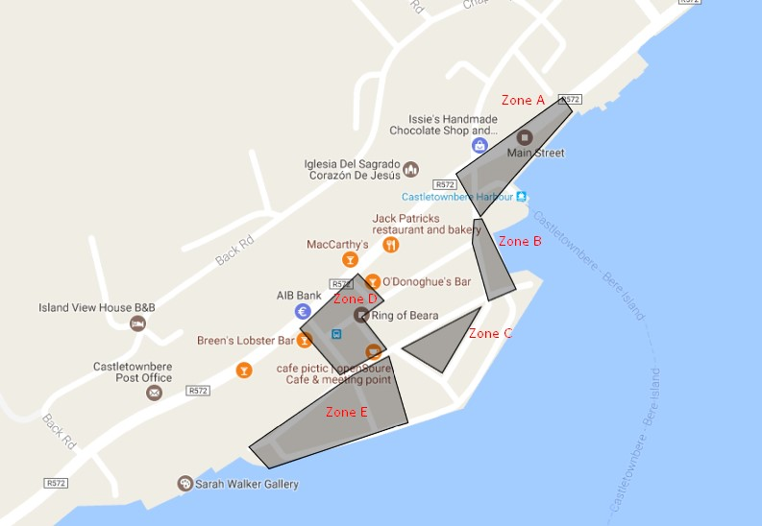

 | Abbreviation | Restriction
 | DY | Double Yellow
 | PB | Parking Bay
 | CW | Clearway
 | D | Disabled
 | LB | Loading Bay
 | Road | Road
 | Entrance | Entrance
 | Y | Yellow
 | PT | Permit

