Site Plan and Key
AECOM
3225-IRE Castletownbere Parking Survey
24/08/2017 - 26/08/2017

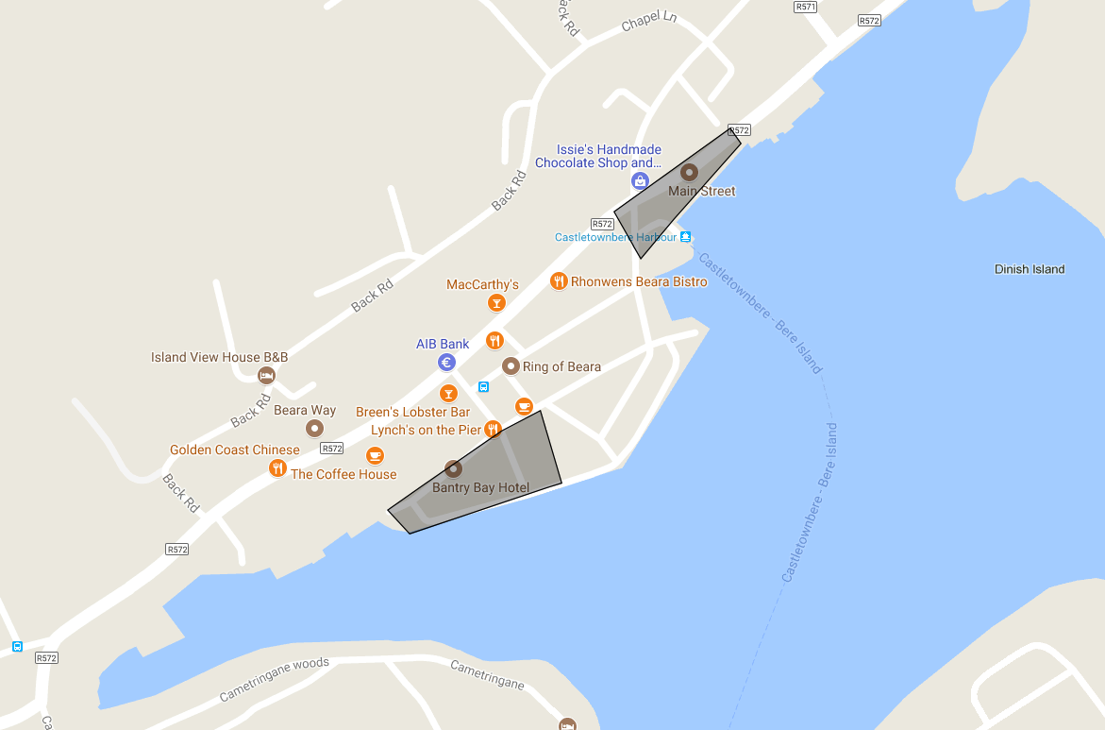
 | Abbreviation | Restriction
 | DY | Double Yellow
 | PB | Parking Bay
Zone A - Ferry Car Park
 | CW | Clearway
 | D | Disabled
 | LB | Loading Bay
 | Road | Road
 | ENT | Entrance
 | Y | Yellow
 | PT | Permit

Zone E - Pier Car Park

